Sheet1
Ahmad Danial Zainudin, MSc, MSTA, CFTe
60 (3) 2082 6904
ahmaddanial.za@maybank-ib.com
ACTIVE MONTH | NYMEX WTI Crude Oil March 2020 |  |  |  |  |  | 2020-02-13
Last Trade 20th February 2020

A nascent rebound in oil prices ran into turbulence after China’s Hubei province reported almost 15,000 new coronavirus cases as it changed its method for counting infections.
The government of the province at the heart of the outbreak said it had carried out a review of past suspected cases and revised its data to include “clinically diagnosed” cases in its daily disclosure.
The revised virus count may put more pressure on Russia to support an OPEC+ plan for additional output cuts to try and balance the market as demand craters due to the outbreak. In another sign of weakening consumption, the U.S. reported the biggest weekly jump in crude stockpiles in three months.
Russia’s key oil producers said they would support extending OPEC+ output cuts into the second quarter at a meeting with Energy Minister Alexander Novak on Wednesday, but there was no indication whether deeper reductions had been discussed. The country has been hesitant about going along with Saudi Arabian-led efforts to prop up prices.
Highlights
 |  |  |  |  | U.S. Crude Oil Figures (API & EIA)
 |  |  |  |  |  |  | Previous | Latest
 |  |  |  |  | API
 |  |  |  |  | Total Inventory |  | 4.18 | 6.00

 |  |  |  |  | EIA
 |  |  |  |  | Crude oil |  | 4.18 | 6.00
 |  |  |  |  | Gasoline |  | -0.09 | -0.09
 |  |  |  |  | Distillates |  | -1.51 | -2.01

 |  |  |  |  | *in million barrels

 |  |  |  |  | Today's Commodity Fair Value
 |  |  |  |  |  |  | Fair Price
 |  |  |  |  | NYMEX WTI Mar 20 |  | 51.46
 |  |  |  |  | ICE Brent Apr 20 |  | 55.98

 |  |  |  |  | *Source: Bloomberg |  | **At time of writing

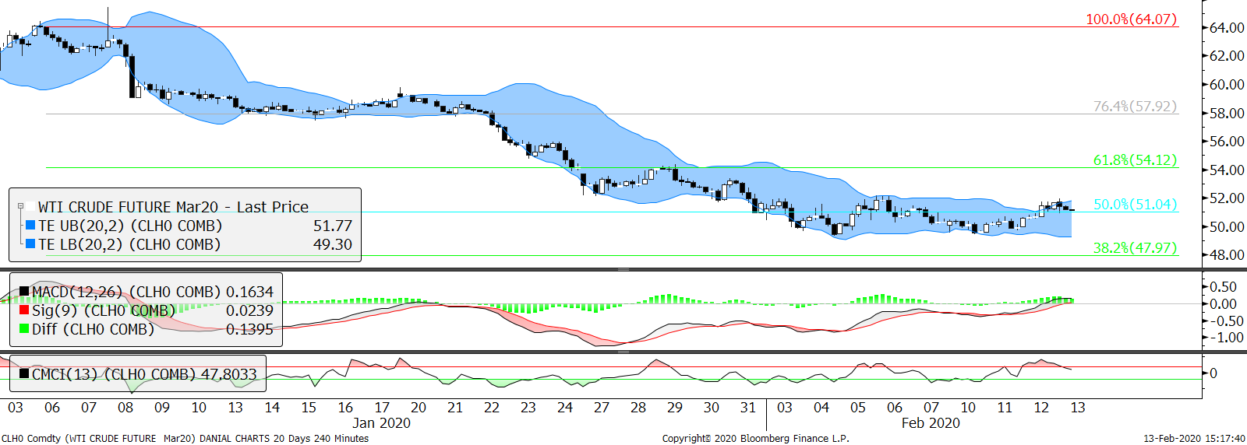
Technical Section
 |  |  |  |  | Pivot Values
 |  |  |  |  | 3rd Resistance |  | 54.51
 |  |  |  |  | 2nd Resistance |  | 52.73
 |  |  |  |  | 1st Resistance |  | 51.95
 |  |  |  |  | Last Price |  | 50.17
 |  |  |  |  | 1st Support |  | 49.17
 |  |  |  |  | 2nd Support |  | 47.39
 |  |  |  |  | 3rd Support |  | 47.39
 |  |  |  |  | Intraday Outlook
 |  |  |  |  | Momentum |  | Trend
 |  |  |  |  | DOWN |  | DOWN
 |  |  |  |  | Aggregate Open Interest
 |  |  |  | 2019-12-10 | Previous |  | Latest
 |  |  |  |  | 2,214,836 |  | 2,213,317
SMA 5 Days | SMA 20 Days | SMA 100 Days | RSI |  | Upper Bollinger |  | Lower Bollinger
50.43 | 52.96 | 56.06 | 35.94 |  | 58.96 |  | 46.96

Market Insight
Fundamental analysis are based on conclusive assessment of time varying key market movers. While technical analysis use a 4-hour chart to analyse the potential movement for intraday trading.
Due to the absence of fresh fundamentals, technical-wise send the signs of hard selling throughout the Asian and European session. But the price is expected to linger at the same range during the consolidation phase.

WARNING: TRADING IN FUTURES IS HIGHLY LEVERAGED AND CARRIES A HIGH DEGREE OF RISK WHICH MIGHT NOT BE SUITABLE FOR THE GENERAL PUBLIC. INVESTORS SHOULD CONSIDER WHETHER SUCH TRADING IS APPRORIATE IN LIGHT OF THEIR EXPERIENCE, OBJECTIVES, FINANCIAL RESOURCES AND OTHER RELEVANT FACTORS BEFORE COMMENCEMENT. The materials, information and functions provided in this report shall not under any circumstances be considered or construed as an offer or solicitation to sell, buy, give, take, issue, allot or transfer, or as the giving of any advice in respect of shares, stocks, bonds, notes, interests, unit trusts, mutual funds or other securities, investments, loans, advances, credits or deposits in any jurisdiction.

WARNING: TRADING IN FUTURES IS HIGHLY LEVERAGED AND CARRIES A HIGH DEGREE OF RISK WHICH MIGHT NOT BE SUITABLE FOR THE GENERAL PUBLIC. INVESTORS SHOULD CONSIDER WHETHER SUCH TRADING IS APPRORIATE IN LIGHT OF THEIR EXPERIENCE, OBJECTIVES, FINANCIAL RESOURCES AND OTHER RELEVANT FACTORS BEFORE COMMENCEMENT
The materials, information and functions provided in this report shall not under any circumstances be considered or construed as an offer or solicitation to sell, buy, give, take, issue, allot or transfer, or as the giving of any advice in respect of shares, stocks, bonds, notes, interests, unit trusts, mutual funds or other securities, investments, loans, advances, credits or deposits in any jurisdiction

